Sprint 2
Sno | TestCase Id | TestCase Description | Result
1 | TC_S2_001 | Check if database sql is executing without error | 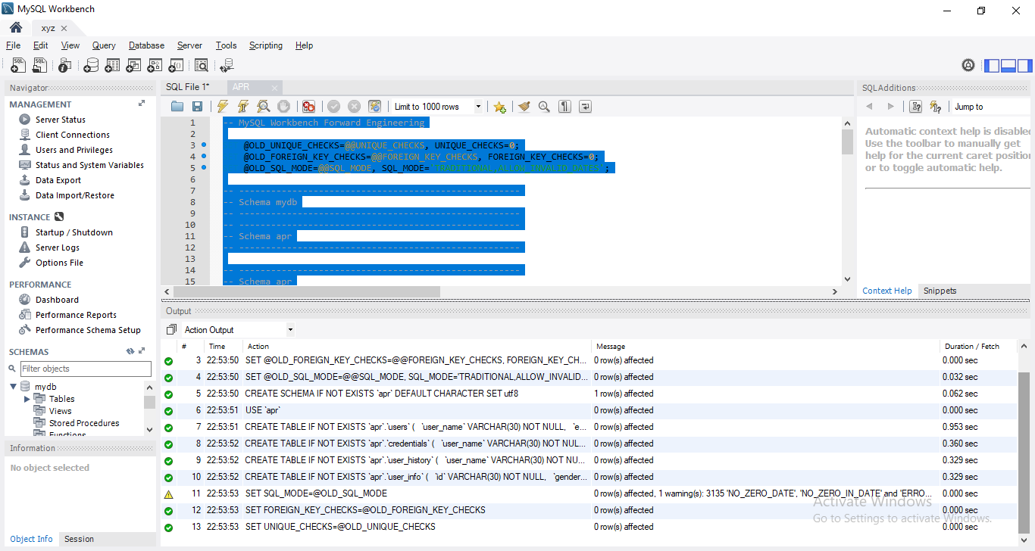
3 | TC_S2_002 | Check if play list are being generated based on a song | 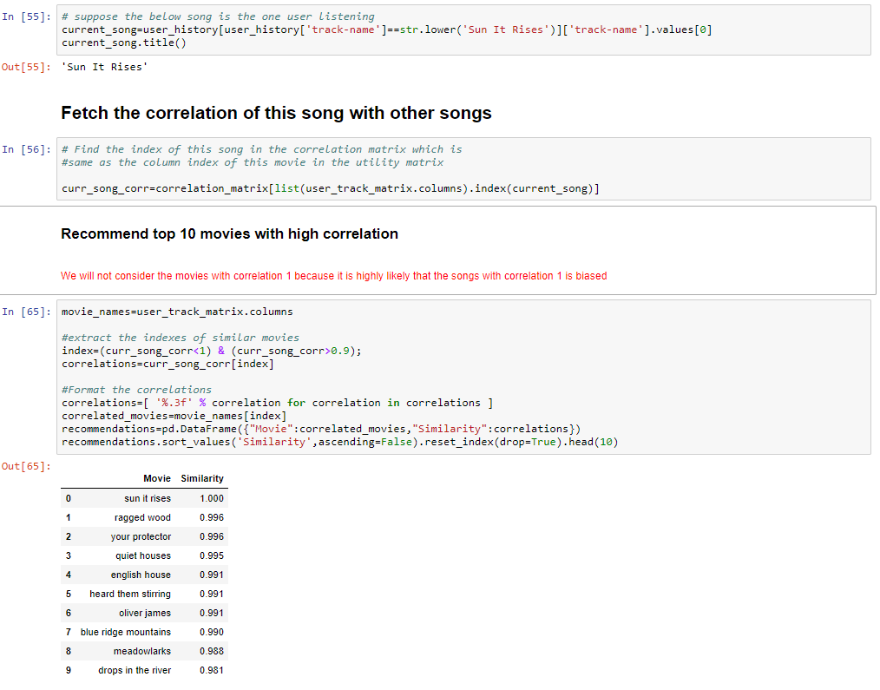

Sprint 3
Sno | TestCase Id | TestCase Description | Result
1 | TC_S3_001 | Check for a new user if records are being generated based on popularity. For multiple new users same list should be generated. | 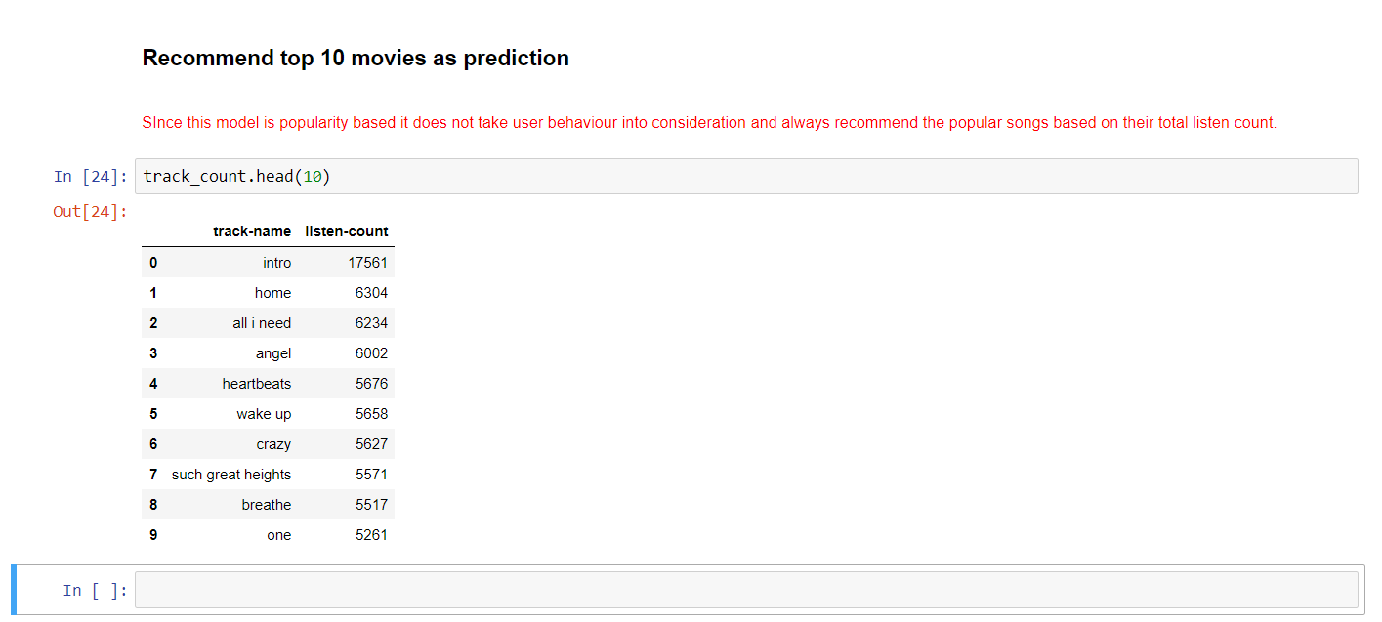

Sprint 4
#NAME? | TestCase Id | TestCase Description | Result
1 | TC_S4_001 | Check if user is able to login and see recommendation | 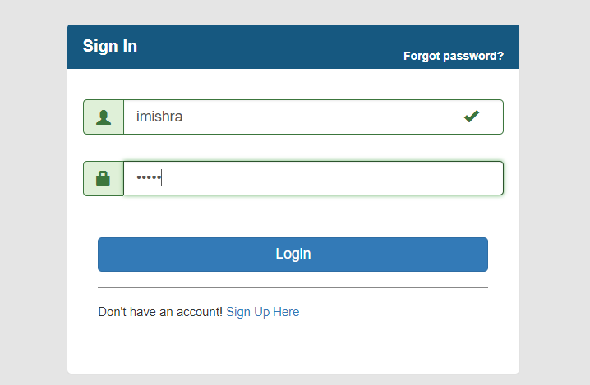 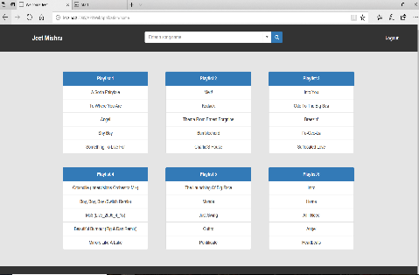
2 | TC_S4_002 | Check if new user is able to sign in | 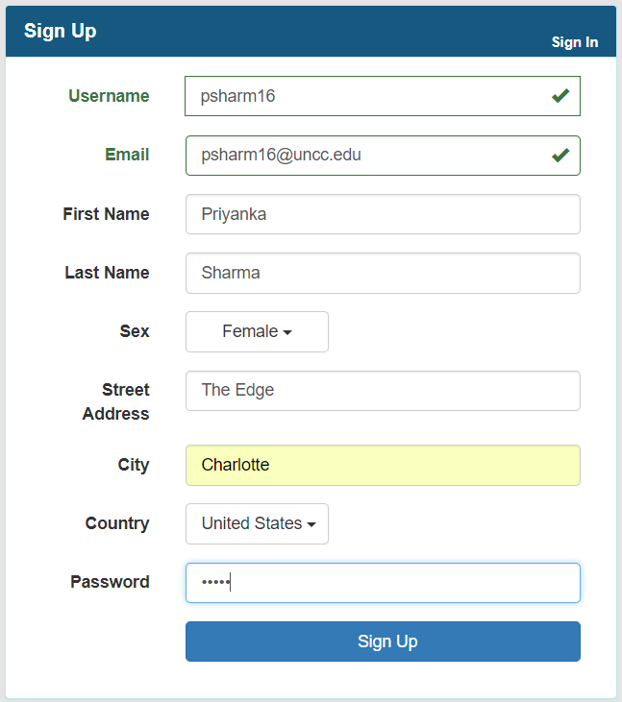
3 | TC_S4_003 | Check if password is visible in database
5 | TC_S4_005 | See if a user is able to logout successfully | 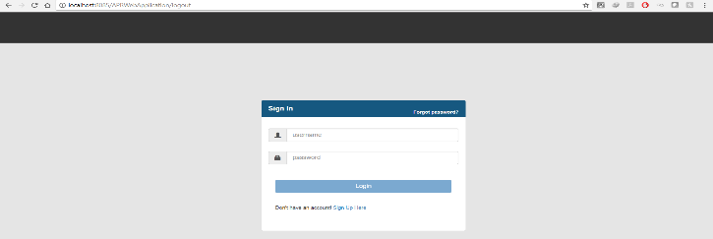
6 | TC_S4_006 | Enter incorrect data see if a user is not able to login. | 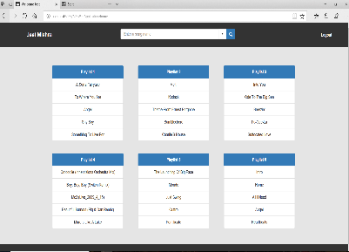 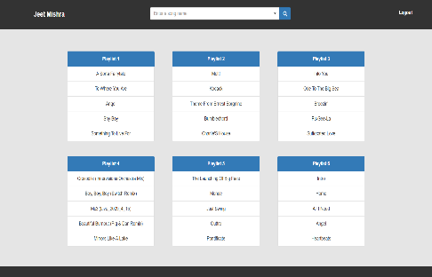
7 | TC_S4_007 | See if similar header and footer and layout is in different browsers. | 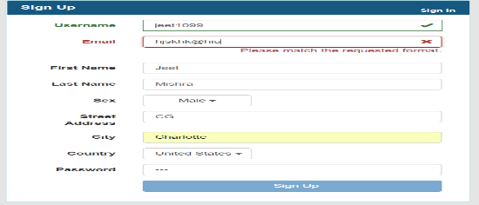 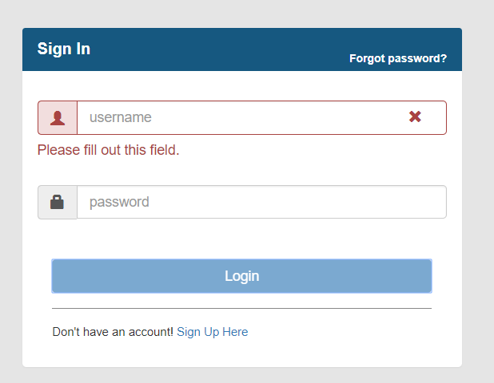
8 | TC_S4_008 | Check email,name format incorrectly see if error is prompted | 